Facing Sheet
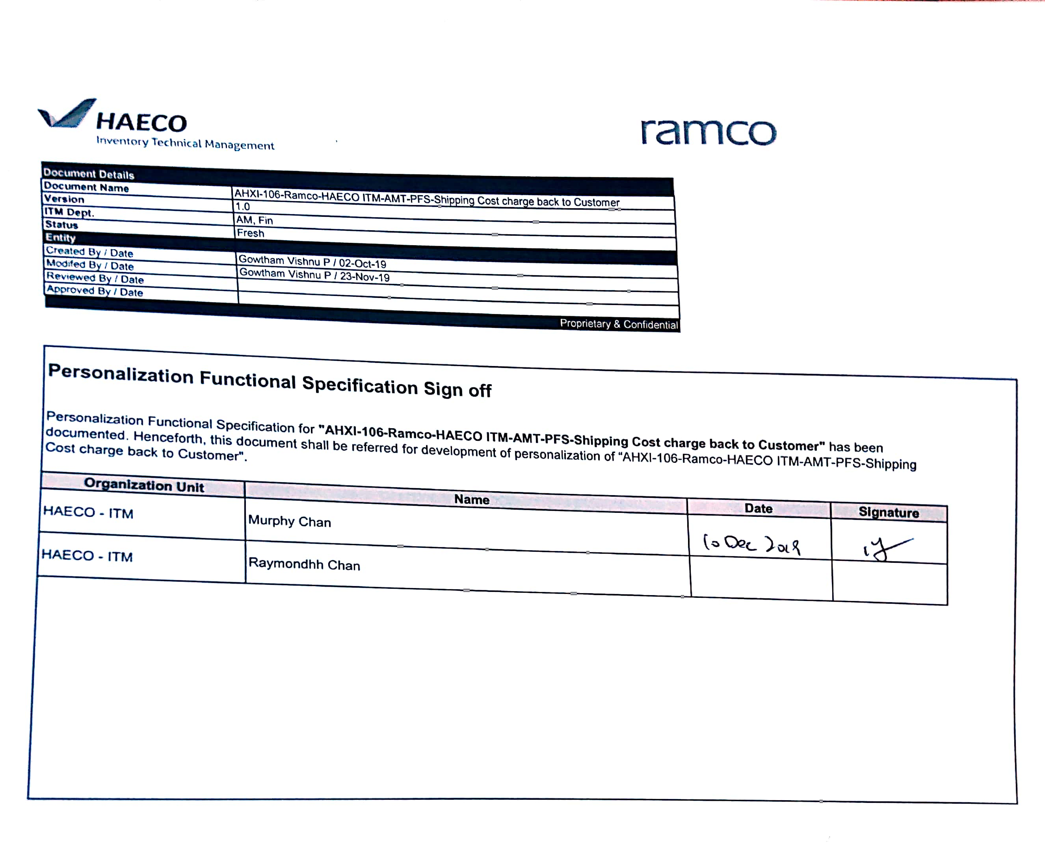

Document Details
Document Name | AHXI-103-Ramco-HAECO ITM-AMT-PFS-Shipping Cost charge back to Customer
Version | 1.0
ITM Dept. | AM, Fin
Status | Fresh
Entity
Created By / Date | Gowtham Vishnu P / 02-Oct-19
Modifed By / Date | Gowtham Vishnu P / 23-Nov-19
Reviewed By / Date
Approved By / Date
 | Proprietary & Confidential

Personalization Functional Specification Sign off

Personalization Functional Specification for "AHXI-103-Ramco-HAECO ITM-AMT-PFS-Shipping Cost charge back to Customer" has been documented. Henceforth, this document shall be referred for development of personalization of “AHXI-103-Ramco-HAECO ITM-AMT-PFS-Shipping Cost charge back to Customer".

Organization Unit | Name | Date | Signature
HAECO - ITM | Murphy Chan
HAECO - ITM | W

